Sheet1
Case ID# | Test scenarios for : | Precondition | Org/Mkey | Step | Test Case Description | Expected Results | Actual Results | Outcome Pass/Fail | Retest Outcome Pass/Fail | Release # | Retest Release # | Test Type | Date Tested | Retest Date | Tested By | Retested By | Test Link | JIRA Ticket # | Comments
E21.03 | E21.03 - Print off a previously attached document to a member's file | Search for any active PEPP Member | 2019180 | 1 | Click on People Do a Member Search Select PEPP for Plan Click Search Click on the Stakeholder ID of one of the members | This will open the Stakeholder under a new Tab | Opened | Pass |  | 24.4 |  | Functional | 21-Oct-20 |  | Jason Collings
 |  |  |  | 2 | Click on Communcations Under Outbound Documents Click on one of the Filename's You may need to select open depending on the browser | This will open a previously saved document to the file | file found | Pass |  | 24.4 |  | Functional | 21-Oct-20 |  | Jason Collings
 |  |  |  | 3 | Print the file off how you would normally. It will open the file type of whatever was saved | This will send the document to print. | Opened as PDF with option to print. | Pass |  | 24.4 |  | Functional | 21-Oct-20 |  | Jason Collings
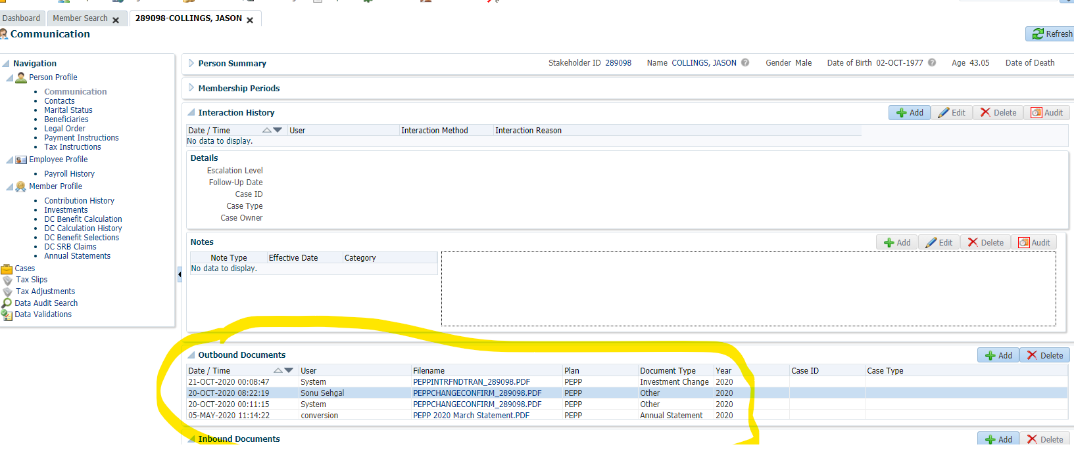
Step 1-2

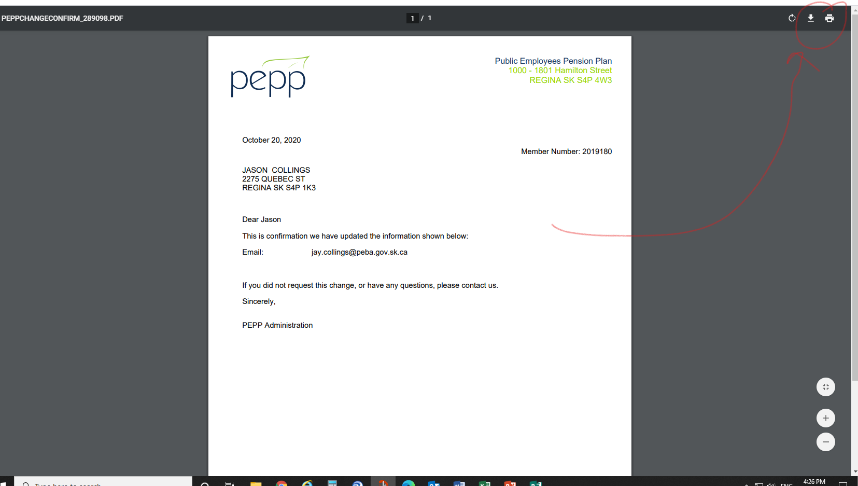
Step 3

